SS27 imalat çarşaf
MITCH&SON SS27 İMALAT ÇARŞAF | Style | Colour | Farbic | Composition | Adet | Fiyat | Yükleme
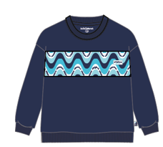 | MS27 302 | 6850- Blue navy | SWEAT Likralı 2 İplik 180 cm 252 gr Panel :AOP | 95% Cotton 5% Elastane AOP: 95% Cotton 5% Elastane | 300 | £17.00 | 2026-11-30
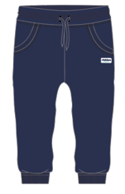 | DOMINIC
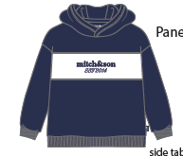 | MS27 303 | 6850- Blue navy | SWEAT Likralı 2 İplik 180 cm 252 gr Panel : White | 95% Cotton 5% Elastane | 198 | £17.40 | 2026-11-30
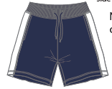 | DENTON
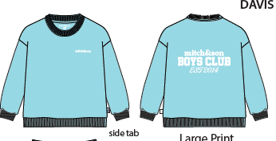 | MS27 304 | 4511-Turquoise | SWEAT Likralı 2 İplik 180 cm 252 gr | 95% Cotton 5% Elastane | 208 | £14.90 | 2026-11-30
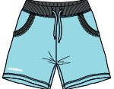 | DAVIS
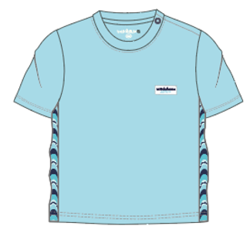 | MS27 305 | 4511-Turquoise | SINGLE JERSEY Likralı süprem 180 cm 200 gr Panel :AOP | 95% Cotton 5% Elastane AOP: 95% Cotton 5% Elastane | 550 | £13.70 | 2026-11-30
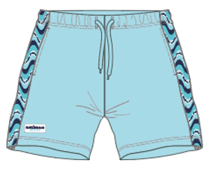 | DANIEL
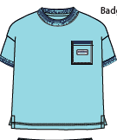 | MS27 306 | 4511-Turquoise | PIQUE PİKE | 100 %COTTON | 214 | £16.40 | 2026-11-30
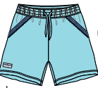 | DYLAN
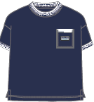 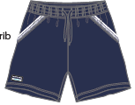 | MS27 306 | 6850- Blue navy | PIQUE PİKE | 100 %COTTON | 202 | £16.40 | 2026-11-30
 | DYLAN
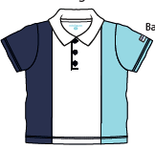 | MS27 307 | 1001- Bright White | TİŞÖRT : SINGLE JERSEY 180 CM 200 GSM | 95% Cotton 5% Elastane | 294 | £16.20 | 2026-11-30
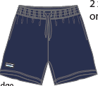 | DEAN |  | ŞORT: SWEAT / 2 İPLİK . Navy
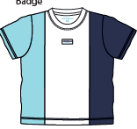 | MS27 308 | 1001- Bright White | SINGLE JERSEY Likralı süprem 180 cm 200 gr Panel: White-Navy | 95% Cotton 5% Elastane | 212 | £14.50 | 2026-11-30
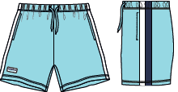 | DAMIAN
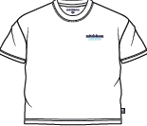 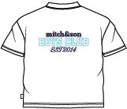 | MS27 309 | 1001- Bright White | SINGLE JERSEY 180 cm 200 gr T-shirt: White Short: Navy | 95% Cotton 5% Elastane | 320 | £13.50 | 2026-11-30
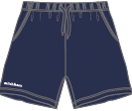 | DREW
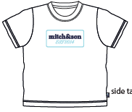 | MS27 310 DANTE | 1001 Bright White | SINGLE JERSEY Likralı süprem 180 cm 200 gr | 95% Cotton 5% Elastane | 255 | £7.20 | 2026-11-30
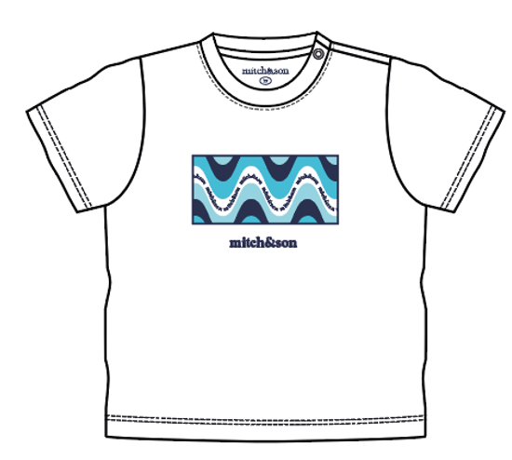 | MS27 315 DARIO | 1001 Bright White | SINGLE JERSEY Likralı süprem 180 cm 200 gr | 95% Cotton 5% Elastane | 654 | £7.20 | 2026-11-30

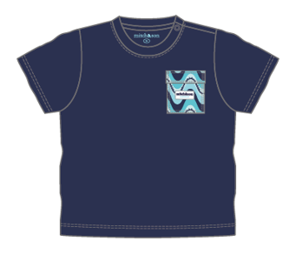 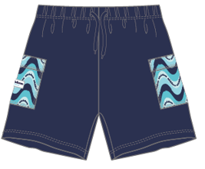 | MS27 317 DONNY | 6850- Blue navy | SINGLE JERSEY Likralı süprem 180 cm 200 gr Panel :AOP | 95% Cotton 5% Elastane AOP: 95% Cotton 5% Elastane | 562 | £14.50 | 2026-11-30

 |  |  |  | TOPLAM ADET | 3969

